ODC BORR
ORDEN DE COMPRA — HAIFENG · 10 JULIO 2026
# | IMAGEN | PRODUCTO | VARIANTE | SKU | A PEDIR | PRECIO USD | SUBTOTAL USD | MATERIAL | GUIDE
1 |  | GOLD | 6 | 67201533404653 | 1 | $7.00 | 7 | Copper Alloy
2 |  | ROSE GOLD | 5 | 21605761269037 | 4 | $3.00 | 12 | Stainless steel
3 |  | GOLD | 6 | 67201533776845 | 2 | $5.00 | 10 | Copper alloy
 |  | ROSE GOLD | 7 |  | 1 | $7.00 | 7 | Stainless steel
4 | 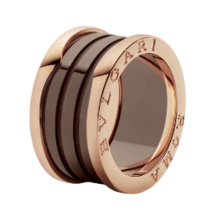 | ROSE GOLD | 6 | 66009451058221 | 5 | $7.00 | 35 | Stainless steel
5 |  | ROSE GOLD | 7 | 66009451058222 | 2 | $7.00 | 14 | Stainless Steel
6 | 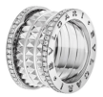 | SILVER | 7 | 10956321324077 | 1 | $10.00 | 10 | Stainless steel
7 | 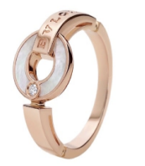 | ROSE GOLD | 6 | 22064322680525 | 2 | $7.00 | 14 | —
8 | 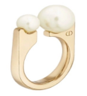 | GOLD | 7 | 29736662234765 | 6 | $6.99 | 41.96 | Copper alloy
9 |  | SILVER | 7 | 63ebd3f32bfc9 | 3 | $10.00 | 30 | Copper alloy
10 | 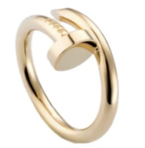 | GOLD | 5 HIGH QUALITY | 66176cdae92c1 | 5 | $2.50 | 12.5 | stainless steel
11 |  | GOLD | 8 HIGH QUALITY | 66176cdce18ea | 4 | $2.50 | 10 | Stainless Steel
12 | 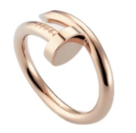 | ROSE GOLD | 5 HIGH QUALITY | 66176ce0abf98 | 2 | $2.50 | 5 | Stainless Steel
13 | 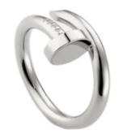 | SILVER | 9 HIGH QUALITY | 66176cdd461aa | 2 | $2.50 | 5 | Stainless steel
14 | 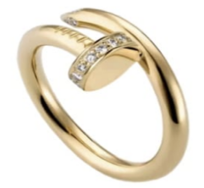 | GOLD | 6 | 66176cdb6225d | 2 | $2.50 | 5 | Stainless steel
15 |  | GOLD | 5 | 66176cdacbf36 | 3 | $2.50 | 7.5 | —
16 |  | GOLD | 9 | 66176cdd1243a | 3 | $2.50 | 7.5 | Stainless steel
17 | 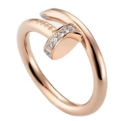 | ROSE GOLD | 8 | 66176cdfac886 | 2 | $2.50 | 5 | Stainless steel
18 |  | ROSE GOLD | 6 | 66176cde9bf02 | 1 | $2.50 | 2.5 | —
19 | 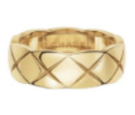 | GOLD | 6 | 63e0b72b646a2 | 2 | $1.80 | 3.6 | Stainless Steel
20 |  | GOLD | 8 | 63e0b72d387b2 | 2 | $1.80 | 3.6 | Stainless steel
21 | 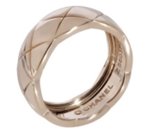 | ROSE GOLD | 5 | 63e0b72d92a68 | 3 | $1.80 | 5.4 | Stainless steel
22 | 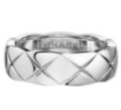 | SILVER | 8 | 63e0b7329703a | 2 | $1.80 | 3.6 | Stainless Steel
23 | 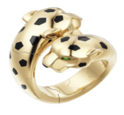 | GOLD | 7 | 22064321762413 | 1 | $9.00 | 9 | copper alloy
24 |  | SILVER | 8 | 15711171889677 | 6 | $5.00 | 30 | —
25 |  | SILVER | 6 | 15711171624141 | 5 | $5.00 | 25 | copper alloy
26 |  | GOLD | 6 | 86347033266957 | 3 | $6.50 | 19.5 | Copper alloy
27 |  | SILVER | 7 | 31058341012141 | 3 | $6.50 | 19.5 | copper alloy
28 |  | SILVER | 7 | 89205551480429 | 1 | $6.50 | 6.5 | —
29 |  | SILVER | 8 | 71036876283404 | 2 | $5.00 | 10 | Copper alloy
30 |  | ROSE GOLD | 9 | 82224434457549 | 2 | $1.80 | 3.6 | Stainless Steel
31 |  | SILVER | 9 | 59436481460941 | 5 | $1.80 | 9 | Stainless Steel
32 |  | SILVER | 10 | 59436481593709 | 4 | $1.80 | 7.2 | SIN MATERIAL
33 |  | GOLD | 5 | 66176a393a025 | 12 | $1.80 | 21.6 | Stainless Steel
34 |  | GOLD | 6 | 66176a39da1f0 | 5 | $1.80 | 9 | Stainless Steel
35 |  | GOLD | 8 | 66176a3b07b47 | 7 | $1.80 | 12.6 | Stainless Steel
36 |  | GOLD | 9 | 66176a3b97be5 | 8 | $1.80 | 14.4 | —
37 |  | GOLD | 6 | 2653021450764 | 5 | $1.80 | 9 | Stainless Steel
38 |  | GOLD | 8 | 2653021516300 | 3 | $1.80 | 5.4 | Stainless Steel
39 |  | GOLD | 7 | 2653021483532 | 3 | $1.80 | 5.4 | Stainless steel
40 |  | GOLD | 11 | 66176c9419a78 | 2 | $1.80 | 3.6 | —
41 |  | SILVER | 11 | 66593bc5d26f2 | 2 | $5.80 | 11.6 | —
42 |  | ROSE GOLD | 10 | 66176c89da5d2 | 2 | $1.80 | 3.6 | —
#REF! |  | SILVER | 10 | 66176c86bbe5a | 3 | $1.80 | 5.4 | Stainless Steel
#REF! |  | SILVER | 8 | 66176c8589787 | 3 | $1.80 | 5.4 | Stainless steel
#REF! |  | ROSE GOLD | 7 | 66075801507501 | 1 | $7.00 | 7 | Copper alloy
#REF! |  | SILVER | 6 | 21206411515789 | 2 | $5.00 | 10 | Stainless Steel
 | 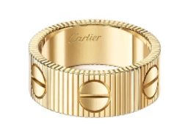 | GOLD | 11 |  | 1 | $5.00 | 5
#REF! | 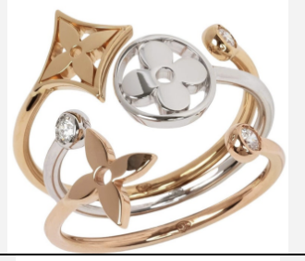 | ANILLO LV IDYLLE BLOSSOM TRICOLOR | Default Title | 94256261066701 | 3 | $14.97 | 44.91 | Copper alloy
#REF! |  | SILVER | 8 | 83765241087533 | 2 | $5.99 | 11.98 | Stainless steel
#REF! | 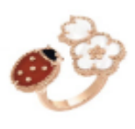 | ROSE GOLD | Default Title | 22064323845517 | 3 | $8.90 | 26.7 | Copper alloy
#REF! |  | ROSE GOLD | 7 HIGH QUALITY | 43047227392140 | 3 | $5.00 | 15 | —
#REF! | 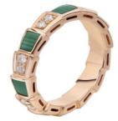 | ROSE GOLD | 8 | 22064322949453 | 1 | $9.00 | 9 | Copper alloy
#REF! | 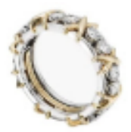 | ANILLO SIXTEEN STONE | HIGH QUALITY 7 | 43047226572940 | 6 | $6.00 | 36 | Copper Alloy
#REF! |  | ANILLO SIXTEEN STONE | HIGH QUALITY 6 | 43047226540172 | 7 | $6.00 | 42 | Copper alloy
#REF! |  | ANILLO SIXTEEN STONE | HIGH QUALITY 9 | 43047226638476 | 3 | $6.00 | 18 | Copper Alloy
#REF! |  | ANILLO SIXTEEN STONE | HIGH QUALITY 8 | 43047226605708 | 2 | $6.00 | 12 | Copper alloy
#REF! |  | ANILLO SIXTEEN STONE GOLD/RED | 8 | 56481484311564 | 5 | $6.00 | 30 | Copper alloy
#REF! | 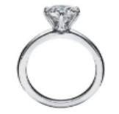 | SILVER | 6 | 71036879166988 | 2 | $5.00 | 10 | copper alloy
#REF! |  | SILVER | 7 | 668eee34483a2 | 2 | $5.00 | 10 | Stainless Steel
#REF! | 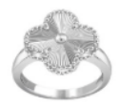 | SILVER | 6 | 29973521015533 | 2 | $5.99 | 11.98 | —
#REF! |  | ANILLO TRES AROS | 9 | 15857686786700 | 3 | $4.70 | 14.1 | Stainless steel
#REF! |  | ANILLO TRES AROS SILVER/BLACK | 7 | 33943761064813 | 1 | $5.00 | 5 | Stainless Steel
#REF! |  | ANILLO TRINITY | 6 | 22064321801965 | 1 | $7.00 | 7 | —
#REF! |  | GOLD | 7 | 86347032724109 | 2 | $5.50 | 11 | Copper alloy
#REF! |  | ROSE GOLD | Default Title | 60255941038093 | 3 | $7.00 | 21 | Stainless Steel
#REF! |  | GOLD | Default Title | 67201531170029 | 5 | $5.90 | 29.5 | Copper alloy
#REF! |  | ARETES CD PEARL | Default Title | 89246882101133 | 5 | $5.00 | 25 | Copper alloy
#REF! |  | GOLD | Default Title | 66075801971917 | 35 | $3.80 | 133 | copper alloy
#REF! | 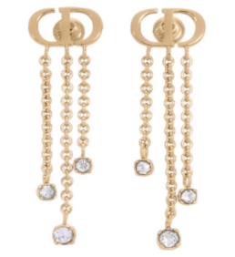 | GOLD | Default Title | 89246882368365 | 5 | $4.00 | 20 | —
#REF! |  | GOLD | Default Title | 66075802035149 | 3 | $5.00 | 15 | Copper Alloy
#REF! |  | GOLD | HIGH QUALITY | 86347031100845 | 2 | $7.00 | 14 | Copper alloy
#REF! |  | GOLD | Default Title | 64085721001581 | 2 | $2.99 | 5.98 | Stainless steel
#REF! |  | GOLD | Default Title | 12314362081613 | 4 | $7.00 | 28 | Copper alloy
#REF! |  | ROSE GOLD | Default Title | 37491250366220 | 3 | $8.00 | 24 | copper alloy
#REF! |  | SILVER | Default Title | 31453671341517 | 4 | $6.00 | 24 | Stainless Steel
#REF! | 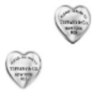 | SILVER | Default Title | 56481477937932 | 10 | $5.00 | 50 | Stainless Steel
#REF! |  | ARETES H FINESSE SILVER | Default Title | 89246883287021 | 4 | $6.00 | 24 | —
#REF! |  | GOLD | Default Title | 15104862702637 | 5 | $8.90 | 44.9 | Stainless steel
#REF! | 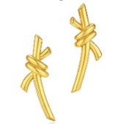 | GOLD | Default Title | 27854241086413 | 3 | $5.50 | 16.5 | Copper
#REF! |  | GOLD | Default Title | 56481478255884 | 3 | $6.00 | 18 | —
#REF! | 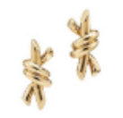 | GOLD | Default Title | 29736673965485 | 8 | $6.00 | 48 | Copper alloy
#REF! |  | SILVER | Default Title | 67201531515469 | 2 | $5.00 | 10 | —
#REF! | 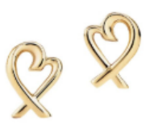 | GOLD | GOLD | 67201534966797 | 3 | $6.00 | 18 | —
#REF! |  | GOLD | Default Title | 15104862489069 | 3 | $8.99 | 26.97 | Stainless steel
#REF! |  | GOLD | Default Title | 74011331080589 | 8 | $7.00 | 56 | Stainless Steel
#REF! |  | SILVER | Default Title | 36568531067821 | 8 | $7.00 | 56 | Stainless Steel
#REF! | 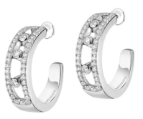 | SILVER | Default Title | 15554123602349 | 2 | $8.00 | 16 | —
#REF! | 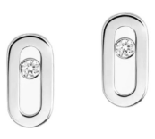 | SILVER | Default Title | 15554123135661 | 1 | $5.99 | 5.99 | Copper alloy
#REF! | 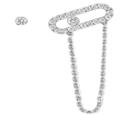 | SILVER | Default Title | 15554123342445 | 3 | $6.00 | 18 | Copper alloy
#REF! | 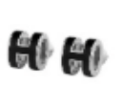 | SILVER | Default Title | 35432872053165 | 4 | $8.90 | 35.6 | Stainless steel
#REF! |  | GOLD | MEDIUM | 665bb75e1389b | 3 | $2.99 | 8.97 | Stainless steel
#REF! |  | ROSE GOLD | SMALL | 661786a2c48dd | 2 | $2.99 | 5.98 | —
#REF! | 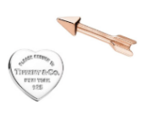 | ARETES T CORAZÓN CON FLECHA | Default Title | 15118061083949 | 10 | $5.00 | 50 | Copper alloy
#REF! |  | GOLD | Default Title | 89790741157517 | 4 | $7.00 | 28 | Copper Alloy
#REF! |  | GOLD | HIGH QUALITY | 6617849b9a844 | 6 | $8.00 | 48 | Copper alloy
#REF! |  | GOLD | HIGH QUALITY | 661784a33b867 | 6 | $8.00 | 48 | Copper alloy
#REF! |  | GOLD | Default Title | 95854382461517 | 3 | $6.00 | 18 | Copper alloy
#REF! | 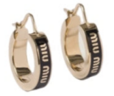 | GOLD | Default Title | 12314363985133 | 2 | $7.99 | 15.98 | Stainless steel
#REF! |  | ROSE GOLD | 16CM | 665bb91f1ebf4 | 1 | $22.00 | 22 | Copper alloy
#REF! | 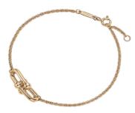 | GOLD | Default Title | 40154171915885 | 3 | $7.00 | 21 | Copper Alloy
#REF! |  | GOLD | 0.5 cm | 12314362665261 | 1 | $10.00 | 10 | Copper alloy
#REF! |  | GOLD | Default Title | 12314363576653 | 2 | $10.00 | 20 | Copper alloy
#REF! |  | GOLD | Default Title | 89246882713005 | 1 | $12.00 | 12 | —
#REF! |  | SILVER | Default Title | 89246882816397 | 1 | $9.00 | 9 | —
#REF! | 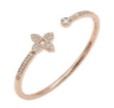 | ROSE GOLD | Default Title | 15104861551757 | 2 | $15.00 | 30 | Copper alloy
#REF! |  | GOLD | 17CM | 59950731067117 | 4 | $5.00 | 20 | Stainless steel
#REF! |  | GOLD | Default Title | 15554121358797 | 2 | $18.00 | 36 | —
#REF! |  | GOLD | Default Title | 15554122051469 | 5 | $10.00 | 50 | Copper alloy
#REF! |  | GOLD | Default Title | 15554121626029 | 5 | $10.00 | 50 | —
#REF! |  | GOLD | 16 cm | 67201531970989 | 2 | $10.00 | 20 | Copper Alloy
#REF! |  | GOLD | Default Title | 89246881412397 | 1 | $4.50 | 4.5 | —
#REF! | 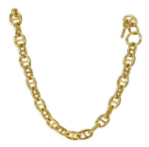 | GOLD | Default Title | 13798161017037 | 1 | $12.99 | 12.99 | Copper Alloy
#REF! | 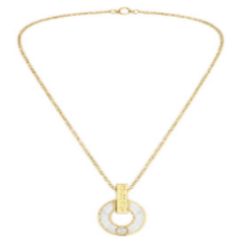 | GOLD | Default Title | 89790741679565 | 2 | $7.00 | 14 | Stainless Steel
#REF! | 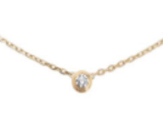 | GOLD | 44cm con 5cm de extensión | 43728082327916 | 3 | $2.99 | 8.97 | Stainless Steel
#REF! |  | SILVER | 44cm con 5cm de extensión | 43728082231852 | 5 | $2.99 | 14.95 | Stainless Steel
#REF! |  | GOLD | Default Title | 35432871634445 | 3 | $7.99 | 23.97 | Stainless Steel
#REF! | 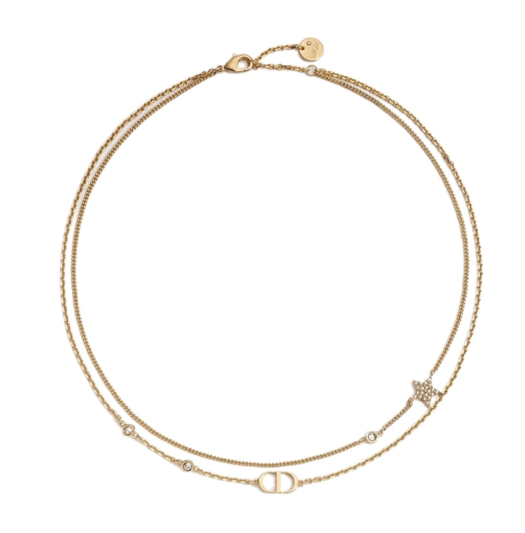 | GOLD | Default Title | 29736661772013 | 10 | $6.00 | 60 | copper alloy
#REF! |  | SILVER | Default Title | 29736674296013 | 1 | $7.00 | 7 | —
#REF! | 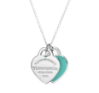 | SILVER | Stainless Steel | 77661961089325 | 35 | $5.00 | 175 | —
#REF! |  | SILVER | 40cm con 5cm de extensión | 56481497508748 | 6 | $5.00 | 30 | Stainless Steel
#REF! | 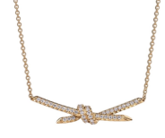 | GOLD | Default Title | 15104863437293 | 3 | $7.00 | 21 | Copper alloy
#REF! | 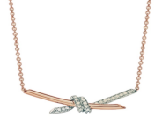 | ROSE GOLD | Default Title | 15104863347341 | 1 | $6.50 | 6.5 | Copper alloy
#REF! | 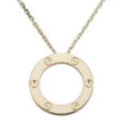 | GOLD | 45cm | 63e0beee6c617 | 2 | $5.00 | 10 | Stainless Steel
#REF! | 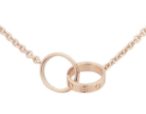 | ROSE GOLD | Default Title | 94365801075021 | 2 | $3.40 | 6.8 | —
#REF! | 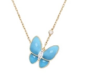 | GOLD | Default Title | 22064324293549 | 5 | $6.00 | 30 | Copper alloy
#REF! |  | GOLD | Default Title | 39966871032781 | 20 | $8.00 | 160 | copper alloy
#REF! |  | SILVER | Default Title | 77791751017421 | 5 | $8.00 | 40 | copper alloy
#REF! | 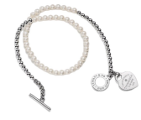 | COLLAR T ENVOLVENTE | Default Title | 40154172721645 | 5 | $12.00 | 60 | Stainless Steel
#REF! | 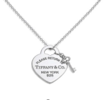 | SILVER | Default Title | 15104863162605 | 10 | $7.50 | 75 | Copper alloy
#REF! | 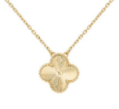 | GOLD | 41cm con extension de 3cm | 648cc5bf129eb | 7 | $4.00 | 28 | Copper alloy
#REF! |  | GOLD | 40cm con extensión de 5cm | 641887036d043 | 6 | $4.00 | 24 | copper alloy
#REF! | 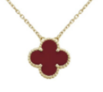 | GOLD | HIGH QUALITY (45CM) | 66177b506a320 | 5 | $4.00 | 20 | Copper alloy
#REF! | 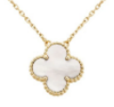 | GOLD | (45CM) | 66177b4fc21fd | 9 | $4.00 | 36 | copper alloy
#REF! | 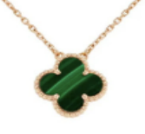 | ROSE GOLD | HIGH QUALITY 45cm | 43010669576332 | 1 | $4.00 | 4 | Copper alloy
#REF! | 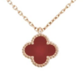 | ROSE GOLD | High Quality 43cm y dije 10mm | 84158211070285 | 3 | $4.00 | 12 | Copper alloy
#REF! |  | GOLD | Largo 43 cm Más Extensión 5 cm | 63ebdbffe0b2d | 3 | $12.90 | 38.7 | Copper Alloy
#REF! |  | LENTES MM RUNWAY | Default Title | 22064322466957 | 4 | $35.00 | 140 | —
#REF! |  | LENTES PR EYEWEAR PILOTO | Default Title | 37635091051341 | 1 | $40.00 | 40 | —
#REF! |  | LENTES TRIOMPHE C BROWN | Brown | 67201531422989 | 2 | $32.00 | 64 | —
#REF! |  | SILVER | 17cm | 56481470598284 | 5 | $7.50 | 37.5 | Stainless Steel
#REF! |  | ROSE GOLD | Default Title | 72293841002509 | 1 | $7.00 | 7 | Copper alloy
#REF! |  | GOLD | Default Title | 66075802428173 | 2 | $7.90 | 15.8 | copper alloy
#REF! |  | GOLD | 16.8 cm | 63e0c23442e74 | 4 | $5.00 | 20 | Stainless Steel
#REF! |  | GOLD | 16.8 cm | 63ebddddb879a | 8 | $5.00 | 40 | Stainless steel
#REF! |  | SILVER | 17cm | 43728081992652 | 5 | $7.00 | 35 | Stainless Steel
#REF! |  | BLUE | 16 cm | 668eee34bc314 | 6 | $5.00 | 30 | stainless steel
#REF! |  | PINK | 16 cm | 43047224508556 | 10 | $5.00 | 50 | Stainless steel
#REF! |  | PINK | 18 cm | 43047224574092 | 8 | $5.00 | 40 | Stainless steel
#REF! |  | PULSERA DE TELA TRES AROS BLACK | AJUSTABLE | 6617748fe62cc | 5 | $4.70 | 23.5 | Stainless Steel
#REF! |  | PULSERA DE TELA TRES AROS DARK BLUE | AJUSTABLE | 665bd4a33373e | 26 | $5.00 | 122.2 | Stainless steel
#REF! |  | PULSERA DE TELA TRES AROS GREY | Default Title | 18652671095713 | 6 | $4.70 | 28.2 | Stainless Steel
#REF! |  | PULSERA DE TELA TRES AROS RED | AJUSTABLE | 85245863092492 | 5 | $4.70 | 23.5 | Stainless Steel
#REF! |  | GOLD | HIGH QUALITY | 12314363483981 | 2 | $10.00 | 20 | Stainless steel
#REF! |  | SILVER | Default Title | 89246882645773 | 1 | $10.00 | 10 | Copper alloy
#REF! |  | ROSE GOLD | Default Title | 22064323912749 | 3 | $4.00 | 12 | Copper alloy
#REF! |  | ROSE GOLD | Default Title | 40154171869549 | 2 | $7.00 | 14 | copper alloy
#REF! |  | GOLD | 16 cm | 63e0c53833f26 | 10 | $4.50 | 45 | stainless steel
#REF! |  | GOLD | 17cm | 63ebdf992a2c6 | 2 | $13.00 | 26 | Stainless Steel
#REF! |  | GOLD | 16 cm | 63ebdf98523b4 | 3 | $13.00 | 39 | Stainless Steel
#REF! |  | GOLD | 18 cm | 63ebdf99e880b | 3 | $13.00 | 39 | —
#REF! |  | SILVER | 17cm | 77724991140045 | 15 | $5.00 | 75 | Stainless Steel
#REF! |  | SILVER | 16cm | 77724991007277 | 5 | $5.00 | 25 | Stainless Steel
#REF! |  | SILVER | 19cm | 77724991305581 | 5 | $5.00 | 25 | Stainless Steel
#REF! |  | SILVER | 16 cm | 63ebdf24125c5 | 2 | $13.00 | 26 | —
#REF! |  | SILVER | 19 cm | 63ebdf25cba1e | 1 | $13.00 | 13 | Stainless steel
#REF! |  | GOLD | 20 CM | 66177009444c0 | 4 | $4.50 | 18 | Stainless Steel
#REF! |  | GOLD | 16 cm | 63e0c53c5218b | 7 | $5.00 | 35 | —
#REF! |  | ROSE GOLD | 16 cm | 63e0c59590d66 | 8 | $4.50 | 36 | Stainless Steel
#REF! |  | SILVER | 21cm | 43728091279628 | 2 | $4.50 | 9 | Stainless steel
#REF! |  | SILVER | 20cm | 43728091146860 | 14 | $4.50 | 63 | Stainless Steel
#REF! |  | SILVER | 16cm | 43728090715788 | 15 | $4.50 | 67.5 | Stainless steel
#REF! |  | SILVER | 18cm | 43728090981324 | 10 | $4.50 | 45 | Stainless steel
#REF! |  | GOLD | 19 | 73379601029069 | 4 | $15.00 | 60 | Stainless steel
#REF! |  | GOLD | 17 | 88621311058381 | 8 | $15.00 | 120 | —
#REF! |  | ROSE GOLD | 17 | 74289381073037 | 2 | $15.00 | 30 | Stainless steel
#REF! |  | SILVER | 19 | 70975151114957 | 6 | $15.00 | 90 | Stainless steel
#REF! |  | SILVER | 17 | 70975141082189 | 6 | $15.00 | 90 | Stainless steel
#REF! |  | ROSE GOLD | Default Title | 67201535214413 | 5 | $7.00 | 35 | Copper Alloy
#REF! |  | ROSE GOLD | Default Title | 81078751264237 | 3 | $7.00 | 21 | Stainless steel
#REF! |  | ROSE GOLD | 17cm con 2cm de extensión | 37491253271052 | 4 | $6.00 | 24 | copper alloy
#REF! |  | GOLD | 20 CM | 66075802259373 | 5 | $7.00 | 35 | Copper Alloy
#REF! |  | SILVER | Default Title | 67201532004237 | 14 | $7.00 | 98 | Copper Alloy
#REF! |  | GOLD | Default Title | 53283371020909 | 6 | $4.00 | 24 | copper alloy
#REF! |  | GOLD | Default Title | 15711171972493 | 2 | $7.00 | 14 | copper alloy
#REF! |  | GOLD | 16cm con extensión de 3cm | 82014673388812 | 4 | $7.50 | 30 | Stainless steel
#REF! |  | ROSE GOLD | Default Title | 83391721047053 | 2 | $7.50 | 15 | —
#REF! |  | SILVER | 16cm con extensión de 5cm | 82014675495692 | 5 | $7.50 | 37.5 | Stainless steel
#REF! |  | SILVER | 17cm | 56481473329548 | 4 | $8.00 | 36 | Stainless steel
#REF! |  | GOLD | 20cm | 6453fd2f11ef1 | 7 | $7.00 | 49 | Copper alloy
#REF! |  | GOLD | 18cm | 29852177262732 | 10 | $7.00 | 70 | copper alloy
#REF! |  | GOLD | 18cm | 6617744e4fde3 | 9 | $7.00 | 63 | —
#REF! |  | PULSERA TRÉBOL SILVER BLACK VF | 20cm | 6617745150ec8 | 4 | $7.00 | 28 | Copper alloy
#REF! |  | PULSERA TRÉBOL SILVER VF | 20cm | 654bdb8083165 | 2 | $7.00 | 14 | Copper alloy
#REF! |  | PULSERA TRÉBOL SILVER WHITE VF | 18cm | 661774512157c | 3 | $7.00 | 21 | copper alloy
#REF! |  | ROSE GOLD | Default Title | 20792171004621 | 3 | $6.00 | 18 | —
#REF! |  | ROSE GOLD | Default Title | 95854381684653 | 5 | $4.00 | 20 | Copper alloy
 |  | GOLD | AJUSTABLE | 12314361063501 | 4 | $7.00 | 28 | Copper alloy
 |  | GOLD | MEDIUM | 63e0bf8dbe95e | 5 | $3.80 | 19 | Stainless steel
 |  | GOLD | HIGH QUALITY | 665bb779989a5 | 6 | $8.00 | 48 | Copper alloy
 |  | SILVER |  |  | 2 | $7.99 | 15.98 | Stainless steel
 |  | SILVER | 6 |  | 2 | $6.99 | 13.98 | Copper alloy
 |  | SILVER | 7 |  | 2 | $6.99 | 13.98
 |  | SILVER |  |  | 2 | $7.99 | 15.98 | Stainless steel
 |  | SILVER |  |  | 2 | $12.00 | 24 | Copper alloy
 |  | SILVER |  |  | 2 | $7.99 | 15.98 | Copper alloy
 |  | SILVER |  |  | 2 | $6.99 | 13.98 | Copper alloy
 |  | SILVER | 6 |  | 2 | $6.99 | 13.98 | Copper alloy
 |  | SILVER | 7 |  | 2 | $6.99 | 13.98
 |  | SILVER |  |  | 2 | $7.99 | 15.98 | Stainless steel
 |  | SILVER | 6# |  | 2 | $7.00 | 14 | Stainless steel
 |  | SILVER | 7# |  | 2 | $7.00 | 14 | Stainless steel
 |  | SILVER |  |  | 2 | $18.00 | 36 | Stainless steel
 |  | SILVER | 6 |  | 2 | $6.00 | 12 | Copper alloy
 |  | SILVER | 7 |  | 2 | $6.00 | 12
 |  | GOLD | 6 |  | 2 | $6.00 | 12 | Copper alloy
 |  | GOLD | 7 |  | 2 | $6.00 | 12
 |  | SILVER |  |  | 2 | $7.99 | 15.98 | Copper alloy
 |  | SILVER |  |  | 2 | $9.00 | 18 | Copper alloy
 |  | SILVER | 6# |  | 2 | $7.50 | 15 | Copper alloy
 |  | SILVER | 7# |  | 2 | $7.50 | 15 | Copper alloy
 |  | SILVER |  |  | 2 | $7.99 | 15.98 | Copper alloy
 |  | SILVER |  |  | 2 | $11.00 | 22 | Copper alloy
 |  | SILVER | 6# |  | 2 | $7.00 | 14 | Stainless steel
 |  | SILVER | 7# |  | 2 | $7.00 | 14 | Stainless steel
 |  | GOLD |  |  | 2 | $10.00 | 20 | Copper alloy
 |  |  |  |  | 2 | $7.00 | 14 | Copper alloy
 |  | SILVER |  |  | 2 | $13.00 | 26 | Copper alloy
 |  | GOLD |  |  | 2 | $13.00 | 26 | Copper alloy
 |  | GOLD |  |  | 3 | $7.00 | 21 | Copper alloy
 |  | SILVER |  |  | 3 | $7.00 | 21 | Copper alloy
 |  | GOLD |  |  | 2 | $8.99 | 17.98 | Copper alloy
 |  | GOLD |  |  | 2 | $9.00 | 18 | Copper alloy
 |  | GOLD |  |  | 2 | $12.00 | 24 | Copper alloy
 |  | GOLD / SILVER |  |  | 2 | $6.99 | 13.98 | Copper alloy
 |  | GOLD |  |  | 2 | $6.99 | 13.98 | Copper alloy
 |  | GOLD |  |  | 2 | $6.99 | 13.98 | Copper alloy
 |  | GOLD |  |  | 2 | $6.99 | 13.98 | Copper alloy
 |  | SILVER |  |  | 2 | $10.00 | 20 | Copper alloy
 |  | SILVER |  |  | 2 | $10.00 | 20 | Copper alloy
 |  | TOTAL |  |  | 1441 |  | $6,250.26

